Routes
https://www.tutorialspoint.com/expressjs/index.htm
Defining routes like above is very tedious to maintain.
Uses routes ... to define resource controllers ...
To separate the routes from our main index.js file,
we will use Express.Router. Create a new file called things.js and type the following in it.

var express = require('express');
var router = express.Router();
router.get('/', function(req, res){
res.send('GET route on things.');
});
router.post('/', function(req, res){
res.send('POST route on things.');
});
//export this router to use in our index.js
module.exports = router;

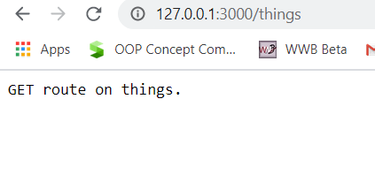

routes_things.js
and routes_man.js

var express = require('Express');
var app = express();
var router = require('./router.js');
//both index.js and things.js should be in same directory
app.use('/things', router);
app.listen(3000);

Routers => separating concerns and keep relevant portions of our code together.
building maintainable code.
You should define your routes relating to an entity in a single file and include it using the above method in your index.js file.
s

Routers sperate concerns and keep relevant portions of our code together.
They help in building maintainable code.
uses a speperate routes file and include it using index.js file

MVC1
https://www.codementor.io/@julieisip/learn-rest-api-using-express-js-and-mysql-db-ldflyx8g2

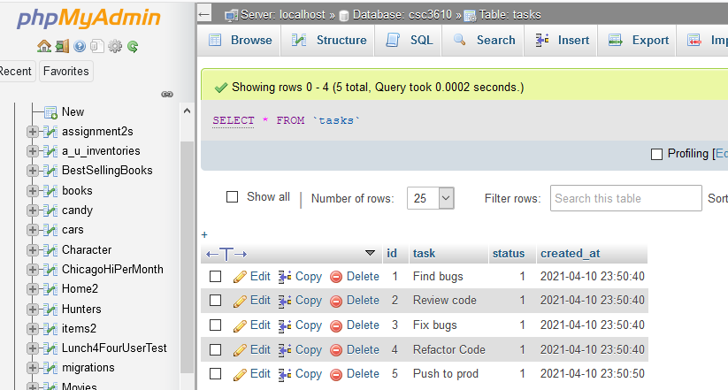
Will write a CRUD manager for tasks ... using REST API
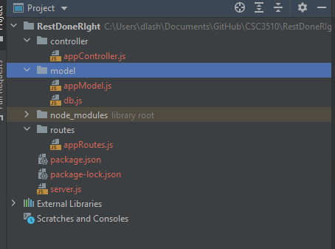

Create folders
1. Controller
2. model
3. routes

Inside model - create
appModel.js
db.js

routes/db.js
'use strict'; var mysql = require('mysql'); //local mysql db connection var connection = mysql.createConnection({ host : '45.55.136.114', user : 'csc3610', password : 'csc3610', database : 'csc3610' }); connection.connect(function(err) { if (err) throw err; }); module.exports = connection;
routes/appRoutes.js
'use strict'; module.exports = function(app) { var todoList = require('../controller/appController'); // todoList Routes app.route('/tasks') .get(todoList.list_all_tasks) .post(todoList.create_a_task); app.route('/tasks/:taskId') .get(todoList.read_a_task) .put(todoList.update_a_task) .delete(todoList.delete_a_task); };

'use strict'; var Task = require('../model/appModel.js'); exports.list_all_tasks = function(req, res) { Task.getAllTask(function(err, task) { console.log('controller') if (err) res.send(err); console.log('res', task); res.send(task); }); }; exports.create_a_task = function(req, res) { var new_task = new Task(req.body); //handles null error if(!new_task.task || !new_task.status){ res.status(400).send({ error:true, message: 'Please provide task/status' }); } else{ Task.createTask(new_task, function(err, task) { if (err) res.send(err); res.json(task); }); } };
controller/appController.js

exports.read_a_task = function(req, res) { Task.getTaskById(req.params.taskId, function(err, task) { if (err) res.send(err); res.json(task); }); }; exports.update_a_task = function(req, res) { Task.updateById(req.params.taskId, new Task(req.body), function(err, task) { if (err) res.send(err); res.json(task); }); }; exports.delete_a_task = function(req, res) { Task.remove( req.params.taskId, function(err, task) { if (err) res.send(err); res.json({ message: 'Task successfully deleted' }); }); };

model/appModel.js
'use strict'; var sql = require('./db.js'); //Task object constructor var Task = function(task){ this.task = task.task; this.status = task.status; this.created_at = new Date(); }; Task.createTask = function (newTask, result) { sql.query("INSERT INTO tasks set ?", newTask, function (err, res) { if(err) { console.log("error: ", err); result(err, null); } else{ console.log(res.insertId); result(null, res.insertId); } }); }; Task.getTaskById = function (taskId, result) { sql.query("Select id, task, status, created_at from tasks where id = ? ", taskId, function (err, res) { if(err) { console.log("error: ", err); result(err, null); } else{ result(null, res); } }); }; Task.getAllTask = function (result) { sql.query("Select * from tasks", function (err, res) { if(err) { console.log("error: ", err); result(null, err); } else{ console.log('tasks : ', res); result(null, res); } }); }; Task.updateById = function(id, task, result){ sql.query("UPDATE tasks SET task = ? WHERE id = ?", [task.task, id], function (err, res) { if(err) { console.log("error: ", err); result(null, err); } else{ result(null, res); } }); }; Task.remove = function(id, result){ sql.query("DELETE FROM tasks WHERE id = ?", [id], function (err, res) { if(err) { console.log("error: ", err); result(null, err); } else{ result(null, res); } }); }; module.exports= Task;

Tasks
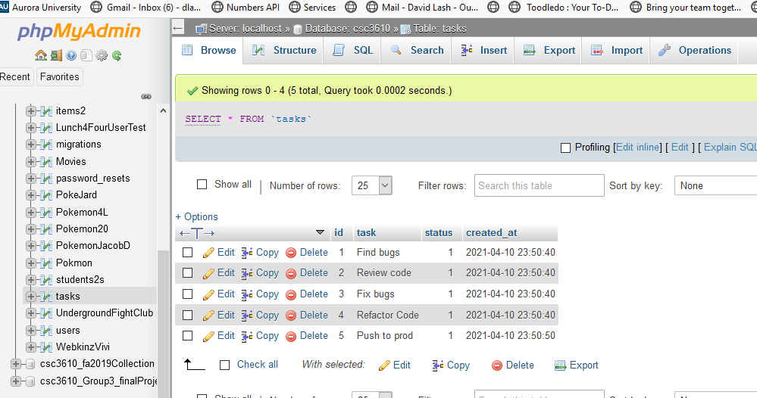
https://www.codementor.io/@julieisip/learn-rest-api-using-express-js-and-mysql-db-ldflyx8g2

